1. Title Page
[Instacart Grocery Basket Analysis]

Project Name:Instacart Grocery Basket Analysis
Date: 12th of October, 2022
Analyst Name: Mojisola. R. Ajulo

Contents:
Population Flow
Consistency checks
Wrangling steps
Column derivations
Visualizations
Recommendations

CITATION
“The Instacart Online Grocery Shopping Dataset 2017”, Accessed from https://www.instacart.com/datasets/grocery-shopping-2017 on 5th of September 2022
The customer Data and “prices” column in the products data set, were both fabricated for the purpose of this analysis.

2. Population Flow
Population flow

Exclusion flag
Condition: max_order < 5
Obervations to be removed: 2884
Final total count of order_products_all: 32401975

Orders_products_combined
Orders_products_merged
Orders_products_all

Total:
Total:
Total: 32404859
32434489 | 32404859

1.) The grey boxes in the first row of the population flow represent the original data sets as they were when you downloaded them. In the Total fields you need to add the count of the rows when you imported the data set into Jupyter.
2.) The second row of boxes (coloured) represents the data sets after you manipulated them, e.g., removed missing values and duplicates. In the Total fields you need to add the count of the rows after conducting these operations. This offers a visual oveview of how the data flows throughout the data consistency checks.
3.) The third row, where also the arrows are coloured, represents the merges you performed between the datasets. In the Total fields you need to add the count of the rows in the merged datasets, so that you end up with the final dataset (in the red box). Keep in mind the final dataset should be without exclusions (based on the exclusion flag).

3. Consistency checks
Consistency checks

 | Dataset | Missing values | Missing values treatment | Duplicates
 | orders | 206209(days_since_prior_order) | Ignored | None
 | products | 16 (product_name) | created a subset that omitted missing values | 5(dataframe without duplicate created)
 | orders_products_prior | None | None | None
 | customers | 11259 | left the missing values as we won't be using name due to privacy reasons | None

 | Please note: 5127 rows of outliers values in 'prices' column was replaced with NAN

Consistency checks for missing values in orders data set(All those who have order number 1 has 0 days since prior orders)
days_since_prior_order | 1 | 2 | 3 | 4 | 5 | 6 | 7 | 8 | 9 | 10 | 11 | 12 | 13 | 14 | 15 | 16 | 17 | 18 | 19 | 20 | 21 | 22 | 23 | 24 | 25 | 26 | 27 | 28 | 29 | 30 | 31 | 32 | 33 | 34 | 35 | 36 | 37 | 38 | 39 | 40 | 41 | 42 | 43 | 44 | 45 | 46 | 47 | 48 | 49 | 50 | 51 | 52 | 53 | 54 | 55 | 56 | 57 | 58 | 59 | 60 | 61 | 62 | 63 | 64 | 65 | 66 | 67 | 68 | 69 | 70 | 71 | 72 | 73 | 74 | 75 | 76 | 77 | 78 | 79 | 80 | 81 | 82 | 83 | 84 | 85 | 86 | 87 | 88 | 89 | 90 | 91 | 92 | 93 | 94 | 95 | 96 | 97 | 98 | 99
0 | 0 | 20536 | 20441 | 17984 | 16438 | 16046 | 14384 | 13890 | 12774 | 11460 | 11784 | 9828 | 9438 | 8960 | 8435 | 8130 | 7848 | 7749 | 7038 | 6902 | 7084 | 6424 | 6170 | 6103 | 6032 | 5541 | 6049 | 5569 | 5201 | 5685 | 4811 | 5133 | 4630 | 4535 | 4552 | 4384 | 4314 | 4093 | 3864 | 4029 | 4056 | 3825 | 3677 | 3670 | 3226 | 3519 | 3326 | 2720 | 3164 | 2634 | 2482 | 2928 | 2624 | 2522 | 2379 | 2483 | 2375 | 2221 | 2354 | 2196 | 2069 | 2247 | 1856 | 2031 | 1585 | 2127 | 1939 | 1871 | 1560 | 1672 | 1700 | 1573 | 1731 | 1555 | 1341 | 1537 | 1526 | 1422 | 1369 | 1184 | 1306 | 1196 | 1150 | 1490 | 1343 | 1358 | 1139 | 1177 | 1177 | 1195 | 1148 | 1040 | 937 | 1134 | 1099 | 1041 | 883 | 1037 | 935
1 | 0 | 31674 | 29950 | 28010 | 27092 | 25533 | 24996 | 22921 | 21783 | 21067 | 21260 | 19516 | 19108 | 18279 | 18544 | 18133 | 16765 | 15977 | 15509 | 15128 | 15183 | 13855 | 13619 | 13230 | 12861 | 13006 | 12938 | 11962 | 12525 | 12084 | 11751 | 11581 | 10867 | 10395 | 9694 | 9688 | 9760 | 9506 | 9562 | 9456 | 8645 | 8873 | 8713 | 8576 | 8441 | 8323 | 8482 | 8199 | 7711 | 7147 | 7715 | 6976 | 6525 | 7033 | 7112 | 6250 | 6438 | 6265 | 5896 | 5851 | 5598 | 5947 | 4935 | 5725 | 4852 | 4950 | 5263 | 4675 | 4568 | 4692 | 4123 | 4405 | 4222 | 4229 | 4013 | 3918 | 4106 | 3996 | 3596 | 4132 | 3518 | 3149 | 3458 | 3289 | 3245 | 3108 | 2970 | 2693 | 3027 | 2787 | 2801 | 2728 | 2605 | 2606 | 2639 | 2436 | 2535 | 2633 | 2363
2 | 0 | 46454 | 46264 | 43902 | 40729 | 40907 | 38101 | 37519 | 35745 | 33830 | 33364 | 31473 | 30602 | 30259 | 28626 | 27574 | 26687 | 26236 | 25612 | 23717 | 23529 | 23979 | 23049 | 22337 | 21831 | 21598 | 20651 | 19776 | 18953 | 19240 | 18736 | 18331 | 17108 | 17534 | 16381 | 16021 | 16448 | 16095 | 15569 | 14664 | 14450 | 14344 | 13397 | 12920 | 12940 | 12895 | 12061 | 13443 | 12348 | 11730 | 11714 | 10607 | 10573 | 10813 | 10214 | 9494 | 9709 | 9349 | 8823 | 8733 | 8963 | 8179 | 8185 | 7712 | 7416 | 7756 | 7338 | 7041 | 7148 | 6623 | 6737 | 6386 | 6289 | 5951 | 5709 | 5629 | 5221 | 5058 | 5071 | 4704 | 4924 | 4388 | 4801 | 4658 | 3946 | 3937 | 4074 | 4204 | 3474 | 3623 | 3555 | 3314 | 3589 | 3319 | 3072 | 2985 | 3057 | 3091 | 2609
3 | 0 | 61637 | 63388 | 59996 | 57882 | 56183 | 52869 | 49291 | 48295 | 47826 | 45028 | 42994 | 42117 | 40701 | 38433 | 37943 | 35934 | 34663 | 34387 | 32645 | 32395 | 31478 | 30683 | 29434 | 29001 | 28254 | 26465 | 27083 | 25750 | 23421 | 23592 | 24477 | 23818 | 22226 | 21865 | 21329 | 20609 | 20805 | 19501 | 20909 | 18544 | 17952 | 17429 | 16905 | 16367 | 16424 | 15506 | 15539 | 14239 | 14977 | 13646 | 13555 | 12915 | 12216 | 11583 | 11839 | 11204 | 10572 | 10601 | 9899 | 10058 | 9837 | 9019 | 9232 | 8346 | 7929 | 7890 | 7420 | 7948 | 7222 | 6659 | 6834 | 6267 | 6273 | 6433 | 6070 | 5437 | 5168 | 5425 | 4885 | 5008 | 4557 | 4436 | 3799 | 4246 | 4005 | 3915 | 3359 | 3573 | 3318 | 3237 | 2799 | 3073 | 2902 | 2635 | 2658 | 2462 | 2168 | 2467
4 | 0 | 76733 | 78861 | 73540 | 70519 | 66569 | 62399 | 61143 | 59499 | 57700 | 54730 | 51935 | 48774 | 46896 | 45838 | 44241 | 42119 | 41276 | 39404 | 37328 | 36517 | 36475 | 35903 | 33132 | 34157 | 31341 | 31036 | 30094 | 28532 | 27017 | 26954 | 26013 | 24438 | 24654 | 23964 | 23047 | 22939 | 21584 | 20794 | 19015 | 19390 | 19327 | 18766 | 18719 | 18091 | 16584 | 16188 | 15564 | 15003 | 14202 | 13801 | 13032 | 12912 | 12019 | 11650 | 11928 | 11599 | 10291 | 9864 | 9640 | 9029 | 8717 | 8571 | 7755 | 8195 | 7316 | 6613 | 6331 | 6114 | 6468 | 6385 | 5590 | 5320 | 4985 | 5209 | 4348 | 4795 | 4442 | 4184 | 4229 | 3868 | 3985 | 3444 | 3224 | 2843 | 2862 | 2584 | 2711 | 2630 | 2342 | 2260 | 2490 | 2031 | 1800 | 2083 | 1918 | 1792 | 1695 | 1810
5 | 0 | 88999 | 91741 | 86503 | 81859 | 77583 | 73584 | 70020 | 64468 | 63154 | 59454 | 55546 | 53534 | 52955 | 49271 | 46960 | 47010 | 44879 | 42069 | 40778 | 40189 | 37707 | 35499 | 36144 | 34793 | 32270 | 31855 | 29641 | 29403 | 29377 | 27823 | 26071 | 25951 | 24194 | 23069 | 22117 | 21232 | 20018 | 19594 | 20514 | 18734 | 17596 | 16948 | 15597 | 15486 | 14351 | 14082 | 13320 | 13483 | 11456 | 12043 | 11739 | 10810 | 10348 | 10181 | 9077 | 8716 | 8578 | 7678 | 7878 | 6733 | 6396 | 6566 | 5757 | 5378 | 5299 | 4611 | 5508 | 5065 | 4396 | 4117 | 4276 | 3544 | 3440 | 3246 | 3197 | 2487 | 2725 | 2746 | 2816 | 2289 | 2303 | 2138 | 2099 | 2372 | 2002 | 1946 | 1566 | 1462 | 1630 | 1630 | 1367 | 983 | 1215 | 1220 | 1166 | 966 | 912 | 936
6 | 0 | 120681 | 122871 | 114644 | 106764 | 100756 | 95954 | 89752 | 87203 | 78634 | 78896 | 74719 | 68650 | 65130 | 62374 | 58794 | 56469 | 54791 | 53258 | 51292 | 49395 | 46209 | 44182 | 41002 | 38586 | 38714 | 36434 | 35073 | 33674 | 32644 | 30845 | 29967 | 28473 | 28306 | 26601 | 26518 | 24094 | 22753 | 22728 | 20868 | 19362 | 18786 | 17762 | 17389 | 16746 | 15137 | 13992 | 12418 | 12933 | 11604 | 11087 | 9631 | 9277 | 8368 | 8686 | 7298 | 7078 | 6703 | 6146 | 6114 | 5515 | 4911 | 5011 | 4549 | 4643 | 3848 | 3975 | 3536 | 3445 | 2902 | 2886 | 2251 | 2779 | 2594 | 2230 | 1949 | 1930 | 1891 | 1738 | 1531 | 1693 | 1448 | 1391 | 1340 | 1216 | 995 | 960 | 1063 | 989 | 754 | 842 | 940 | 1014 | 835 | 570 | 490 | 602 | 485 | 542
7 | 0 | 184802 | 181656 | 167597 | 157442 | 143628 | 137675 | 128423 | 120734 | 114769 | 106392 | 103116 | 100542 | 93723 | 89445 | 86204 | 81249 | 78056 | 73126 | 71052 | 68563 | 64149 | 62517 | 58574 | 56692 | 53871 | 50909 | 48710 | 47628 | 44825 | 42455 | 41609 | 38258 | 35791 | 34191 | 33235 | 32298 | 30421 | 28159 | 27660 | 27208 | 25988 | 23792 | 21938 | 20517 | 19873 | 17770 | 17174 | 15137 | 14707 | 12832 | 12948 | 10361 | 9594 | 8579 | 7316 | 7017 | 6385 | 6247 | 5733 | 5190 | 4902 | 3872 | 3571 | 3462 | 3587 | 3410 | 2562 | 2245 | 2471 | 2108 | 2394 | 2044 | 1907 | 1678 | 1629 | 1784 | 1438 | 1324 | 1086 | 958 | 969 | 920 | 858 | 956 | 710 | 763 | 714 | 694 | 634 | 573 | 521 | 440 | 602 | 421 | 420 | 378 | 419 | 322
8 | 0 | 112324 | 110742 | 102217 | 94945 | 87611 | 81622 | 78760 | 71070 | 67567 | 64889 | 60068 | 57373 | 53559 | 50904 | 47433 | 44192 | 43274 | 40812 | 38660 | 35895 | 35093 | 31992 | 30974 | 30050 | 27674 | 25995 | 26308 | 23929 | 22221 | 21980 | 19751 | 19303 | 17557 | 17539 | 16115 | 16128 | 14634 | 14585 | 13279 | 11925 | 11625 | 11090 | 10410 | 9421 | 8519 | 7974 | 7459 | 7216 | 6493 | 5557 | 5042 | 5048 | 4438 | 3768 | 3757 | 3044 | 2926 | 2888 | 2581 | 2522 | 2243 | 1972 | 1852 | 1713 | 1350 | 1338 | 1509 | 1324 | 1428 | 1085 | 1137 | 1165 | 937 | 958 | 759 | 761 | 762 | 731 | 477 | 475 | 322 | 549 | 656 | 262 | 342 | 278 | 416 | 340 | 238 | 262 | 228 | 244 | 275 | 232 | 234 | 143 | 137 | 84
9 | 0 | 73676 | 75379 | 68513 | 65045 | 58933 | 54801 | 50593 | 47752 | 43483 | 42175 | 38059 | 36775 | 34974 | 31584 | 30753 | 28868 | 26648 | 25607 | 23312 | 22198 | 20464 | 20556 | 18864 | 17911 | 16488 | 16820 | 15386 | 14568 | 13532 | 12991 | 12418 | 11511 | 10783 | 10639 | 9207 | 8483 | 8096 | 7256 | 7041 | 6455 | 5867 | 5848 | 5450 | 4910 | 4506 | 3902 | 3486 | 3554 | 3272 | 3188 | 2813 | 2287 | 2176 | 2294 | 1978 | 1787 | 1629 | 1637 | 1683 | 1281 | 1045 | 1073 | 1005 | 1005 | 705 | 926 | 932 | 715 | 628 | 454 | 550 | 482 | 613 | 417 | 398 | 317 | 482 | 374 | 241 | 271 | 332 | 347 | 348 | 115 | 209 | 201 | 229 | 266 | 190 | 90 | 98 | 101 | 146 | 91 | 67 | 102 | 66 | 65
10 | 0 | 62037 | 62457 | 57676 | 51916 | 49463 | 43706 | 41110 | 38443 | 34916 | 33905 | 32706 | 29763 | 28718 | 25319 | 23601 | 22588 | 20539 | 19364 | 18414 | 17548 | 15869 | 15648 | 14704 | 14095 | 13640 | 12147 | 10827 | 10530 | 10545 | 10006 | 8527 | 8490 | 7972 | 7629 | 6640 | 6158 | 5935 | 5614 | 4596 | 4850 | 4719 | 3768 | 3747 | 3638 | 3395 | 3032 | 2868 | 2346 | 2579 | 2103 | 2125 | 2034 | 1703 | 1579 | 1304 | 1393 | 1226 | 1148 | 901 | 915 | 721 | 893 | 742 | 821 | 570 | 540 | 596 | 431 | 493 | 370 | 443 | 626 | 389 | 579 | 389 | 339 | 239 | 191 | 216 | 143 | 111 | 289 | 203 | 278 | 136 | 223 | 114 | 138 | 60 | 103 | 222 | 78 | 45 | 116 | 4 | 101 | 42 | 59
11 | 0 | 55561 | 55918 | 51974 | 45512 | 42542 | 40174 | 36884 | 33404 | 30830 | 29422 | 27423 | 26254 | 23919 | 21639 | 20252 | 20334 | 17858 | 17074 | 15903 | 13577 | 13913 | 12087 | 11981 | 10706 | 11288 | 9861 | 8609 | 7930 | 7036 | 8067 | 6156 | 6559 | 5935 | 5579 | 5379 | 4936 | 4200 | 4048 | 3722 | 3388 | 2982 | 3199 | 2921 | 2710 | 2192 | 2269 | 2042 | 1782 | 1716 | 1637 | 1343 | 1554 | 1354 | 1225 | 1121 | 1020 | 997 | 819 | 735 | 758 | 652 | 688 | 451 | 523 | 383 | 391 | 349 | 273 | 438 | 417 | 344 | 349 | 286 | 256 | 226 | 234 | 139 | 155 | 213 | 139 | 347 | 102 | 97 | 102 | 111 | 68 | 46 | 61 | 57 | 83 | 175 | 55 | 68 | 126 | 63 | 64 | 1 | 19
12 | 0 | 54604 | 56630 | 51043 | 44615 | 42591 | 38685 | 35331 | 33477 | 29857 | 26682 | 26520 | 24342 | 21421 | 21437 | 20403 | 18272 | 16061 | 15712 | 14412 | 12982 | 12227 | 11013 | 10950 | 9543 | 8705 | 8608 | 7955 | 7454 | 7137 | 6361 | 5965 | 5373 | 4695 | 5381 | 4624 | 3956 | 4086 | 3542 | 3287 | 3193 | 2808 | 2473 | 1952 | 1858 | 2150 | 1981 | 1567 | 1423 | 1746 | 1208 | 1400 | 1138 | 859 | 670 | 797 | 734 | 702 | 978 | 749 | 394 | 538 | 577 | 459 | 536 | 434 | 283 | 386 | 408 | 264 | 319 | 275 | 341 | 196 | 224 | 190 | 137 | 183 | 170 | 126 | 202 | 63 | 65 | 101 | 187 | 55 | 101 | 53 | 55 | 58 | 54 | 70 | 32 | 50 | 75 | 55 | 52 | 5 | 66
13 | 0 | 63962 | 66351 | 58478 | 54339 | 47725 | 44872 | 41268 | 38333 | 34275 | 32540 | 28186 | 26812 | 23669 | 23219 | 20620 | 20562 | 18331 | 16442 | 14425 | 15009 | 12033 | 11747 | 10648 | 10059 | 9569 | 8837 | 7687 | 7736 | 6742 | 5846 | 5659 | 5372 | 5555 | 4727 | 4422 | 3586 | 3598 | 3116 | 2976 | 2921 | 2294 | 2419 | 2244 | 1728 | 1877 | 1674 | 1208 | 1197 | 1105 | 1131 | 847 | 988 | 740 | 684 | 800 | 417 | 480 | 399 | 307 | 557 | 347 | 398 | 390 | 252 | 297 | 355 | 456 | 317 | 228 | 175 | 154 | 116 | 73 | 71 | 230 | 56 | 202 | 214 | 65 | 80 | 123 | 59 | 75 | 53 | 94 | 63 | 56 | 82 | 69 | 93 | 93 | 80 | 85 | 24 | 27 | 61 | 83 | 68
14 | 0 | 82109 | 79773 | 74714 | 67484 | 60476 | 54863 | 49237 | 46265 | 42381 | 38402 | 34335 | 32063 | 30164 | 26894 | 25911 | 24366 | 22016 | 19793 | 18077 | 15054 | 15287 | 14637 | 13303 | 11500 | 10719 | 10466 | 9480 | 7996 | 8325 | 7978 | 6654 | 6229 | 5301 | 4439 | 4868 | 4250 | 3624 | 3925 | 2820 | 2851 | 2258 | 2711 | 2692 | 1951 | 2073 | 1834 | 1640 | 1388 | 1241 | 964 | 633 | 1051 | 627 | 669 | 906 | 582 | 808 | 645 | 455 | 476 | 274 | 437 | 423 | 214 | 168 | 392 | 340 | 257 | 243 | 205 | 277 | 160 | 150 | 103 | 84 | 110 | 124 | 94 | 32 | 91 | 28 | 137 | 45 | 77 | 46 | 41 | 39 | 57 | 38 | 8 | 13 | 96 | 55 | 41 | 32 | 54 | 33 | 5
15 | 0 | 54492 | 53593 | 50229 | 44029 | 39497 | 35548 | 33879 | 29615 | 27757 | 25061 | 24441 | 20663 | 19269 | 17666 | 16195 | 15608 | 13384 | 12534 | 11839 | 10060 | 10403 | 8338 | 7646 | 8086 | 6473 | 6324 | 6086 | 5434 | 5211 | 4247 | 4193 | 3806 | 3391 | 2952 | 2868 | 2706 | 2828 | 2264 | 2339 | 1636 | 1833 | 1692 | 1609 | 1141 | 991 | 936 | 1055 | 653 | 993 | 541 | 558 | 448 | 724 | 661 | 478 | 295 | 341 | 357 | 243 | 155 | 229 | 273 | 175 | 121 | 263 | 158 | 164 | 102 | 129 | 160 | 71 | 137 | 55 | 107 | 106 | 24 | 100 | 78 | 35 | 22 | 66 | 113 | 91 | 56 | 34 | 66 | 9 | 16 | 44 | 14 | 31 | 25 | 6 | 23 | 20 | 17 | 7 | 17
16 | 0 | 38887 | 39524 | 34481 | 30581 | 28286 | 25429 | 22407 | 22373 | 20587 | 17432 | 15607 | 14352 | 13293 | 11936 | 10824 | 9592 | 9666 | 8459 | 7670 | 6717 | 6477 | 5717 | 5714 | 4964 | 4077 | 3811 | 3762 | 3307 | 2613 | 2529 | 3002 | 2341 | 2280 | 1999 | 2040 | 1610 | 1450 | 1400 | 1332 | 974 | 950 | 827 | 717 | 843 | 614 | 745 | 866 | 497 | 574 | 497 | 366 | 389 | 299 | 526 | 260 | 219 | 251 | 184 | 153 | 70 | 74 | 119 | 112 | 190 | 85 | 100 | 85 | 71 | 75 | 115 | 104 | 76 | 64 | 49 | 30 | 48 | 27 | 54 | 19 | 51 | 41 | 51 | 10 | 29 | 31 | 41 | 7 | 8 | 65 | 20 | 7 | 0 | 12 | 0 | 39 | 50 | 17 | 10
17 | 0 | 31942 | 32861 | 29823 | 26271 | 23860 | 20629 | 18592 | 17567 | 16012 | 14276 | 12805 | 12054 | 11604 | 10133 | 9139 | 7982 | 7794 | 7889 | 6215 | 5686 | 5401 | 5216 | 4849 | 3598 | 3633 | 3198 | 2932 | 2766 | 2164 | 2060 | 1918 | 2010 | 1736 | 1713 | 1406 | 1250 | 860 | 1033 | 865 | 969 | 894 | 710 | 673 | 536 | 635 | 540 | 398 | 463 | 314 | 361 | 401 | 353 | 127 | 388 | 236 | 206 | 284 | 135 | 86 | 132 | 118 | 155 | 186 | 91 | 56 | 37 | 76 | 49 | 23 | 44 | 65 | 44 | 34 | 73 | 18 | 21 | 45 | 27 | 16 | 28 | 91 | 10 | 8 | 46 | 15 | 37 | 16 | 1 | 14 | 0 | 32 | 0 | 16 | 7 | 4 | 23 | 0 | 5
18 | 0 | 31615 | 30484 | 27305 | 24859 | 21999 | 19165 | 17597 | 16762 | 15066 | 13316 | 12352 | 11341 | 9946 | 9042 | 8150 | 7173 | 6812 | 6676 | 5862 | 5099 | 4482 | 3583 | 3463 | 3459 | 3366 | 2780 | 2747 | 2179 | 2167 | 1806 | 1962 | 1530 | 1182 | 1515 | 1330 | 1045 | 955 | 1007 | 736 | 847 | 709 | 648 | 681 | 377 | 512 | 448 | 347 | 479 | 277 | 285 | 316 | 170 | 219 | 228 | 123 | 75 | 100 | 170 | 247 | 134 | 140 | 82 | 122 | 43 | 116 | 33 | 182 | 41 | 70 | 44 | 5 | 39 | 0 | 17 | 9 | 31 | 4 | 75 | 3 | 30 | 7 | 4 | 5 | 32 | 0 | 19 | 0 | 16 | 0 | 1 | 13 | 0 | 20 | 0 | 51 | 0 | 0 | 26
19 | 0 | 29890 | 31364 | 26501 | 23852 | 21441 | 19910 | 17867 | 15702 | 14316 | 12668 | 11411 | 10584 | 9073 | 8335 | 7743 | 6936 | 6291 | 6173 | 4884 | 4701 | 4669 | 4084 | 3240 | 3201 | 2651 | 2030 | 2667 | 2480 | 1534 | 1865 | 1574 | 1337 | 1549 | 1102 | 1090 | 830 | 820 | 631 | 574 | 561 | 692 | 718 | 496 | 372 | 211 | 434 | 385 | 288 | 328 | 447 | 269 | 147 | 163 | 106 | 170 | 72 | 120 | 144 | 117 | 128 | 15 | 56 | 70 | 37 | 79 | 15 | 87 | 30 | 28 | 37 | 57 | 26 | 38 | 17 | 41 | 29 | 62 | 26 | 31 | 16 | 0 | 29 | 0 | 60 | 4 | 12 | 1 | 0 | 0 | 6 | 0 | 0 | 0 | 0 | 21 | 14 | 0 | 0
20 | 0 | 35489 | 35213 | 31767 | 28748 | 25526 | 23119 | 19785 | 17132 | 16038 | 13598 | 13388 | 11947 | 10520 | 9639 | 8228 | 7692 | 6706 | 6526 | 5793 | 5526 | 4690 | 4170 | 3582 | 3290 | 3019 | 2897 | 2185 | 1950 | 2255 | 1670 | 1592 | 1357 | 1674 | 1255 | 1169 | 969 | 702 | 1008 | 671 | 640 | 520 | 509 | 423 | 497 | 340 | 479 | 369 | 220 | 399 | 192 | 243 | 149 | 128 | 171 | 146 | 109 | 137 | 95 | 138 | 58 | 100 | 33 | 87 | 83 | 123 | 62 | 51 | 35 | 24 | 0 | 75 | 26 | 19 | 59 | 52 | 47 | 15 | 29 | 40 | 35 | 36 | 81 | 8 | 19 | 24 | 2 | 30 | 2 | 31 | 41 | 7 | 0 | 9 | 0 | 0 | 0 | 0 | 0
21 | 0 | 43945 | 44587 | 37647 | 32182 | 31429 | 26005 | 23502 | 20599 | 19549 | 16181 | 15146 | 13353 | 12165 | 10983 | 9804 | 8601 | 8148 | 6913 | 6130 | 5927 | 4786 | 4268 | 4144 | 3866 | 3530 | 3100 | 2424 | 2532 | 2545 | 2041 | 1605 | 1715 | 1658 | 1332 | 1147 | 1106 | 928 | 889 | 761 | 702 | 583 | 431 | 409 | 486 | 394 | 390 | 300 | 402 | 321 | 218 | 102 | 238 | 154 | 172 | 189 | 121 | 150 | 56 | 80 | 90 | 96 | 51 | 76 | 42 | 97 | 27 | 69 | 27 | 41 | 13 | 43 | 57 | 24 | 59 | 30 | 6 | 16 | 1 | 22 | 11 | 0 | 10 | 2 | 0 | 29 | 0 | 30 | 8 | 19 | 0 | 32 | 12 | 0 | 19 | 0 | 0 | 12 | 0
22 | 0 | 30037 | 29490 | 26582 | 23394 | 20486 | 18492 | 16947 | 15403 | 13864 | 11554 | 10671 | 9305 | 8216 | 8127 | 6580 | 6234 | 5182 | 4549 | 4677 | 3839 | 3146 | 3236 | 3001 | 2495 | 2454 | 1872 | 1824 | 1380 | 1433 | 1564 | 1477 | 979 | 950 | 987 | 804 | 785 | 701 | 487 | 424 | 543 | 394 | 345 | 421 | 413 | 276 | 374 | 347 | 198 | 137 | 196 | 280 | 130 | 119 | 141 | 128 | 33 | 96 | 61 | 70 | 34 | 2 | 75 | 7 | 26 | 28 | 34 | 0 | 56 | 41 | 12 | 22 | 26 | 10 | 12 | 57 | 0 | 16 | 19 | 2 | 0 | 0 | 0 | 14 | 0 | 0 | 0 | 17 | 0 | 0 | 9 | 0 | 0 | 0 | 0 | 0 | 0 | 0 | 0
23 | 0 | 22950 | 24117 | 19794 | 17068 | 15570 | 13896 | 11557 | 11146 | 8681 | 8556 | 7648 | 7303 | 6119 | 5458 | 4291 | 4270 | 3879 | 3137 | 3083 | 2834 | 2676 | 2029 | 2081 | 1652 | 1636 | 1295 | 1259 | 1037 | 1104 | 1082 | 987 | 960 | 468 | 519 | 654 | 448 | 461 | 407 | 426 | 256 | 302 | 265 | 157 | 285 | 177 | 169 | 149 | 104 | 159 | 117 | 178 | 56 | 77 | 92 | 118 | 35 | 82 | 29 | 7 | 53 | 63 | 22 | 16 | 19 | 0 | 21 | 6 | 52 | 18 | 9 | 0 | 10 | 52 | 30 | 40 | 0 | 10 | 3 | 10 | 0 | 0 | 8 | 18 | 0 | 0 | 0 | 0 | 0 | 13 | 0 | 0 | 0 | 0 | 9 | 0 | 0 | 0 | 0
24 | 0 | 19287 | 19434 | 16898 | 15718 | 13536 | 12404 | 10803 | 9504 | 8252 | 7621 | 6317 | 5887 | 5426 | 4422 | 3774 | 3489 | 3504 | 2731 | 2298 | 2407 | 1921 | 1854 | 1960 | 1176 | 1362 | 1501 | 681 | 1007 | 665 | 646 | 641 | 546 | 508 | 611 | 571 | 457 | 478 | 250 | 281 | 321 | 214 | 118 | 194 | 186 | 156 | 170 | 136 | 79 | 59 | 88 | 36 | 94 | 72 | 27 | 96 | 18 | 108 | 12 | 51 | 34 | 11 | 24 | 29 | 66 | 23 | 0 | 4 | 18 | 22 | 12 | 0 | 16 | 13 | 13 | 0 | 17 | 9 | 19 | 0 | 0 | 2 | 0 | 0 | 0 | 17 | 9 | 0 | 0 | 0 | 0 | 0 | 0 | 0 | 0 | 0 | 0 | 0 | 0
25 | 0 | 18759 | 19368 | 16264 | 14223 | 12605 | 10713 | 9214 | 8535 | 7797 | 6475 | 6109 | 5831 | 4802 | 4514 | 4009 | 3358 | 2919 | 2747 | 2286 | 2090 | 2071 | 1554 | 1299 | 1409 | 1081 | 1116 | 1259 | 749 | 950 | 710 | 557 | 545 | 487 | 381 | 294 | 259 | 227 | 388 | 169 | 183 | 111 | 218 | 216 | 179 | 78 | 26 | 87 | 77 | 153 | 99 | 27 | 186 | 4 | 73 | 62 | 17 | 39 | 51 | 5 | 6 | 46 | 49 | 39 | 44 | 5 | 26 | 26 | 0 | 10 | 43 | 0 | 0 | 0 | 13 | 0 | 3 | 15 | 0 | 0 | 30 | 0 | 32 | 16 | 0 | 0 | 0 | 0 | 0 | 0 | 0 | 0 | 0 | 0 | 0 | 0 | 0 | 0 | 0
26 | 0 | 18449 | 19464 | 16067 | 14922 | 12991 | 11803 | 9902 | 8717 | 7911 | 6910 | 5880 | 4830 | 4669 | 3840 | 4174 | 3177 | 2905 | 2618 | 2181 | 1966 | 1606 | 1667 | 1056 | 997 | 1082 | 884 | 715 | 757 | 553 | 666 | 412 | 399 | 357 | 230 | 339 | 279 | 175 | 252 | 296 | 146 | 117 | 219 | 86 | 92 | 53 | 130 | 43 | 90 | 24 | 36 | 81 | 13 | 78 | 9 | 35 | 5 | 48 | 19 | 85 | 29 | 0 | 28 | 2 | 0 | 42 | 9 | 2 | 0 | 0 | 6 | 7 | 16 | 13 | 0 | 36 | 0 | 0 | 0 | 0 | 4 | 4 | 0 | 0 | 16 | 8 | 0 | 37 | 0 | 0 | 0 | 0 | 0 | 0 | 9 | 0 | 0 | 0 | 0
27 | 0 | 21333 | 22614 | 20202 | 18333 | 14454 | 12479 | 11797 | 10209 | 8594 | 7344 | 6181 | 6244 | 5267 | 4702 | 4019 | 3448 | 3108 | 2756 | 2394 | 1970 | 1734 | 1726 | 1733 | 1064 | 1132 | 1081 | 936 | 624 | 667 | 595 | 406 | 479 | 456 | 460 | 286 | 338 | 411 | 273 | 243 | 170 | 177 | 227 | 89 | 114 | 92 | 164 | 85 | 69 | 19 | 71 | 55 | 90 | 84 | 10 | 21 | 42 | 54 | 12 | 32 | 7 | 39 | 19 | 2 | 7 | 5 | 68 | 22 | 0 | 5 | 0 | 4 | 0 | 9 | 0 | 9 | 15 | 0 | 19 | 0 | 4 | 2 | 0 | 14 | 0 | 10 | 7 | 13 | 0 | 12 | 0 | 0 | 0 | 0 | 0 | 0 | 0 | 0 | 0
28 | 0 | 27969 | 28780 | 25260 | 20869 | 18116 | 16532 | 14232 | 12702 | 10896 | 8778 | 8501 | 7205 | 6831 | 4939 | 4814 | 4373 | 3694 | 3127 | 3326 | 2696 | 1682 | 1953 | 1791 | 1206 | 1377 | 1354 | 936 | 953 | 858 | 973 | 645 | 625 | 519 | 281 | 490 | 517 | 412 | 345 | 209 | 117 | 248 | 146 | 180 | 158 | 213 | 108 | 110 | 102 | 50 | 86 | 104 | 58 | 97 | 91 | 66 | 65 | 35 | 57 | 13 | 28 | 21 | 23 | 2 | 56 | 32 | 8 | 0 | 27 | 0 | 0 | 23 | 1 | 0 | 0 | 9 | 16 | 0 | 0 | 3 | 0 | 0 | 3 | 0 | 0 | 11 | 12 | 0 | 0 | 0 | 0 | 0 | 0 | 0 | 0 | 6 | 0 | 0 | 0
29 | 0 | 19943 | 19840 | 17003 | 14768 | 13290 | 11258 | 10092 | 8856 | 7650 | 6352 | 5118 | 5280 | 4941 | 3943 | 3556 | 2777 | 2685 | 2156 | 1859 | 1459 | 1740 | 1177 | 1266 | 1006 | 904 | 800 | 713 | 438 | 483 | 539 | 392 | 270 | 466 | 267 | 219 | 189 | 164 | 168 | 220 | 114 | 196 | 155 | 46 | 74 | 49 | 71 | 51 | 53 | 32 | 31 | 39 | 68 | 49 | 14 | 6 | 1 | 6 | 21 | 5 | 0 | 17 | 0 | 0 | 0 | 0 | 10 | 9 | 10 | 48 | 0 | 0 | 7 | 0 | 6 | 0 | 13 | 0 | 0 | 0 | 0 | 0 | 0 | 13 | 5 | 0 | 0 | 0 | 0 | 0 | 4 | 0 | 0 | 0 | 0 | 0 | 0 | 0 | 0
30 | 0 | 465633 | 455713 | 365995 | 294503 | 241262 | 196568 | 163732 | 135424 | 113059 | 94737 | 78815 | 66634 | 55706 | 46936 | 39673 | 33559 | 28820 | 25009 | 22018 | 18240 | 16090 | 14066 | 11276 | 10298 | 9025 | 7395 | 7262 | 6002 | 5174 | 4447 | 3796 | 3650 | 3221 | 2628 | 2216 | 1983 | 1842 | 1681 | 1168 | 1071 | 962 | 1097 | 830 | 1001 | 1025 | 672 | 588 | 454 | 376 | 349 | 438 | 309 | 215 | 221 | 177 | 140 | 211 | 102 | 174 | 117 | 147 | 108 | 197 | 58 | 101 | 79 | 87 | 77 | 37 | 76 | 82 | 51 | 45 | 2 | 70 | 55 | 56 | 19 | 49 | 44 | 37 | 35 | 0 | 0 | 4 | 12 | 15 | 0 | 6 | 11 | 3 | 0 | 0 | 5 | 0 | 0 | 8 | 13

4. Wrangling steps
Wrangling steps

Columns dropped | Columns renamed | Columns' type changed | Comment/Reason
oval_set column in orders.csv file |  |  | oval _set data not needed for the purpose of our analysis
 |  | order_id changed from integer to string | They don’t represent real numeric values.
 |  | user_id data type changed to string | They don’t represent real numeric values.
 | order_dow |  | This was renamed " oders_day_of_week" as this is more self explanatory.
 |  | user_id data type in customer data was changed to string | They don’t represent real numeric values.
 | First_Name |  | This was renamed 'first_name' to align with the way other columns was written
 | Surnam |  | This was rename 'last_name' became it's more self explanatory
 | Gender |  | This was rename 'gender' to align with other coulumns style
 | STATE |  | This was change to lower case to align with other columns style
 | n_dependants |  | This was changed to 'no_of_dependents' as this is more self explanatory
 | fam_status |  | This was changed to 'marital_status' as it is more self explanatory
 |  | first_name was changed string | data type was mixed
first_name |  |  | PII
last_name |  |  | PII

5. Column derivations
 |  |  |  |  |  | Title page

Column derivations and aggregations
In this tab you should add tables below that the frequences of flags/label variables that you produced after deriving them. NB: don't do this for continuous variables, only for flags.

Dataset | New column | Column/s it was derived from | Condition | Frequences of Flag | Code Used
orders_products_merged | price_range_loc | prices | If prices > 15 then label 'High-range product' If prices is <= 15 and > 5 then label 'Mid-range products' If prices is <= 5 then label 'Low-range product' | Mid-range product 21860860 Low-range product 10126321 High-range product 417678 Name: price_range_loc, dtype: int64 | # using loc function( prices > 15 is categorized as High range product) df_ords_prods_merged.loc[df_ords_prods_merged['prices'] > 15,'price_range_loc'] = 'High-range product' # Prices <= 15 & prices > 5 is categorized as Mid range product df_ords_prods_merged.loc[(df_ords_prods_merged ['prices'] <= 15) & (df_ords_prods_merged ['prices']>5),'price_range_loc'] = 'Mid-range product' # prices <=5 is categorized as Low range product df_ords_prods_merged.loc[df_ords_prods_merged ['prices']<=5, 'price_range_loc'] = 'Low-range product'
orders_products_merged | Busiest_day | orders_day_of_week | If day is 1, then label 'busiest day' If day is 4, then label 'Least busy' The rest vallues for days are label 'Regularly busy' | Regularly busy 22416875 Busiest day 6204182 Least busy 3783802 Name: busiest_day, dtype: int64 | # Looping the column orders_day_of_week rows result = [] for value in df_ords_prods_merged["orders_day_of_week"]: if value == 0: result.append("Busiest day") elif value == 4: result.append("Least busy") else: result.append("Regularly busy")
orders_products_merged | Busiest_days | orders_day_of_week | If days are 0 and 1, then label 'Two busiest days' If days are 3 and 4, then label 'Two slowest days' The rest vallues for days are label 'Regularly busy' | Regularly busy 12916111 Two busiest days 11864412 Two slowest days 7624336 Name: Busiest_days, dtype: int64 | # using Loop function to create new column for the 2 busiest and slowest days of week result = [] for value in df_ords_prods_merged["orders_day_of_week"]: if value == 0: result.append("Two busiest days") elif value == 1: result.append("Two busiest days") elif value == 3: result.append("Two slowest days") elif value == 4: result.append("Two slowest days") else: result.append("Regularly busy")
[orders_products_merged | Busiest_Period_of_days | Order_hour_of_day | If hour is 10,11,14,14,13,12,16,9, label 'Most orders' If hour is 17,8,18,19,20,7,21,22, label 'Average orders' Every other hour label 'Fewest orders' | Most orders 21118071 Average orders 9997651 Fewest orders 1289137 Name: Busiest_period_of_day, dtype: int64 | # using Loop function to create a new column 'Busiest_period_of_day' result = [] for value in df_ords_prods_merged["order_hour_of_day"]: if value == 10: result.append("Most orders") elif value == 11: result.append("Most orders") elif value == 14: result.append("Most orders") elif value == 15: result.append("Most orders") elif value == 13: result.append("Most orders") elif value == 12: result.append("Most orders") elif value == 16: result.append("Most orders") elif value == 9: result.append("Most orders") elif value == 17: result.append("Average orders") elif value == 8: result.append("Average orders") elif value == 18: result.append("Average orders") elif value == 19: result.append("Average orders") elif value == 20: result.append("Average orders") elif value == 7: result.append("Average orders") elif value == 21: result.append("Average orders") elif value == 22: result.append("Average orders") else: result.append("Fewest orders")
orders_products_merged | max_order | order_number user_id | Maximum number of orders for each user |  | # Aggregating order_number using maximum and grouping them by user_id ords_prods_merged['max_order'] = ords_prods_merged.groupby(['user_id'])['order_number'].transform(np.max)
orders_product_merged | loyalty _flag | max_order | If maximum order of customers are > 40 then label 'Loyal customer' If maximum order of customers are <= 40 and >10 then label 'Regular customer' If maximum order of customers are <= 10 then label 'New customer' | Regular customer 15876776 Loyal customer 10284093 New customer 6243990 Name: loyalty_flag, dtype: int64 | # Grouping max_order that are greater than 40 into 'Loyal customer' ords_prods_merged.loc[ords_prods_merged['max_order'] > 40, 'loyalty_flag'] = 'Loyal customer' # Grouping max_order that <=40 and > 10 into 'Regular customer' ords_prods_merged.loc[(ords_prods_merged['max_order'] <= 40) & (ords_prods_merged['max_order'] > 10), 'loyalty_flag'] = 'Regular customer' # Grouping max_order that are <=10 into 'New customer' ords_prods_merged.loc[ords_prods_merged['max_order'] <= 10, 'loyalty_flag'] = 'New customer'
order_product_merge | Average_prices | Prices | Average prices of product |  | # Aggregating prices using mean and grouping them by user_id ords_prods_merge['Average_prices'] = ords_prods_merge.groupby(['user_id'])['prices'].transform(np.mean)
order_product_merge | spender_flag | Average_prices |  | Low spender 31770614 High spender 634245 Name: spender_flag, dtype: int64 | # flagging average_prices of products purchased by users which are lower than 10 as 'low spender' ords_prods_merge.loc[ords_prods_merge['Average_prices'] <10, 'spender_flag'] = 'Low spender' # flagging average_prices of products purchased by users which are higher than or equal to 10 as 'High spender' ' ords_prods_merge.loc[ords_prods_merge['Average_prices']>= 10, 'spender_flag'] = 'High spender
order_product_merge | median_days_since_prior_order | days_since_prior_order | Median value of days since prior order of users |  | # creating median of 'days_since_prior_order' using transform() and grouping them by user_id ords_prods_merge['median_days_since_prior_order'] = ords_prods_merge.groupby(['user_id'])['days_since_prior_order'].transform(np.median)
order_product_merge | order_frequency_flag | median_days_since_prior_order | If median value of days since prior orders is > 20, then label 'Non-frequent customer' If median value of days since prior orders is <=20 and >10, then label 'Regular customer If median value of days since orders is <= 10, then label 'Frequent customer' | Frequent customer 20550144 Regular customer 9154455 Non-frequent customer 2700260 Name: order_frequency_flag, dtype: int64 | #If the median of “days_since_prior_order” is higher than 20, then the customer are labeled a “Non-frequent customer.” ords_prods_merge.loc[ords_prods_merge['median_days_since_prior_order'] >20, 'order_frequency_flag'] = 'Non-frequent customer' # If the median is higher than 10 and lower than or equal to 20, then customer are labeled a “Regular customer.” ords_prods_merge.loc[(ords_prods_merge['median_days_since_prior_order'] >10) & (ords_prods_merge['median_days_since_prior_order'] <= 20) , 'order_frequency_flag'] = 'Regular customer' # If the median is lower than or equal to 10, then the customer should be labeled a “Frequent customer.” ords_prods_merge.loc[ords_prods_merge['median_days_since_prior_order'] <=10, 'order_frequency_flag'] = 'Frequent customer'
Order_products_customer | region | state | If state is in the least of Northeast region then label Northeast region If state is in the list of Midwest region, then label west region If state is in the list of South region, then label South region If state is in the list of West region, then label west region | South Region 10791885 West Region 8292913 Midwest Region 7597325 Northeast Region 5722736 Name: region, dtype: int64 | # using loc function to categorize state in Northeast region ords_prods_cus.loc[ords_prods_cus['state'].isin(['Maine', 'New Hampshire', 'Vermont', 'Massachusetts', 'Rhode Island', 'Connecticut', 'New York', 'Pennsylvania', 'New Jersey']),'region'] = 'Northeast Region' # using loc function to categorize state in Midwest region ords_prods_cus.loc[ords_prods_cus['state'].isin(['Wisconsin', 'Michigan', 'Illinois', 'Indiana', 'Ohio', 'North Dakota', 'South Dakota', 'Nebraska', 'Kansas', 'Minnesota', 'Iowa', 'Missouri']),'region'] = 'Midwest Region' # using loc function to categorize state in South region ords_prods_cus.loc[ords_prods_cus['state'].isin(['Delaware', 'Maryland', 'District of Columbia', 'Virginia', 'West Virginia', 'North Carolina', 'South Carolina', 'Georgia', 'Florida', 'Kentucky', 'Tennessee', 'Mississippi', 'Alabama', 'Oklahoma', 'Texas', 'Arkansas', 'Louisiana']),'region'] = 'South Region' # using loc function to categorize state in Northeast region ords_prods_cus.loc[ords_prods_cus['state'].isin(['Idaho', 'Montana', 'Wyoming', 'Nevada', 'Utah', 'Colorado', 'Arizona', 'New Mexico', 'Alaska', 'Washington', 'Oregon', 'California', 'Hawaii']),'region'] = 'West Region'
order_products_customer | total_order | user_id | Counts of each user_id |  | ords_prods_cus['total_order'] = ords_prods_cus.groupby(['user_id'])['user_id'].transform('count')
order_products_customer | activity_flag | total_order | customers(user_id) with < 5 order label "Low- Activity Customers with >=5 order label 'Regular Activity | Regular Activity 32401975 Low-Activity 2884 Name: activity_flag, dtype: int64 | # using if statement with For loop function # Looping the new column(total_orders) by categorizing it result = [] for value in ords_prods_cus["total_order"]: if value < 5: result.append("Low-Activity") else: result.append("Regular Activity")
order_products_customer | age_group | age | age >=18 and < =24 = Young dult age >24 and <=64 = Adult age > 64 = Seniors | Adult 20254986 Senior 8574323 Young adult 3572666 Name: age_group, dtype: int64 | #creating age_group_flag #create young adults flag: age 18-24 ords_prods_cus.loc[(ords_prods_cus['age'] >= 18) & (ords_prods_cus['age'] <= 24), 'age_group'] = 'Young adult' #adults flag: age 25-64 ords_prods_cus.loc[(ords_prods_cus['age'] > 24) & (ords_prods_cus['age'] <=64), 'age_group'] = 'Adult' #seniors flag: age 65 and over ords_prods_cus.loc[ords_prods_cus['age'] >=65, 'age_group'] = 'Senior'
order_products_customer | income_flag | income | Income <= 50,000 is label Low Income Income > 50,000 and <= 150,000 is label middle income Income > 150 is label High Income | Middle Income 24758328 High Income 4050657 Low Income 3592990 Name: income_flag, dtype: int64 | #creating income_flag #create flag for Low_Income ords_prods_cus.loc[ords_prods_cus['income'] <= 50000, 'income_flag'] = 'Low Income' #Create flag for Middle Income ords_prods_cus.loc[(ords_prods_cus['income'] > 50000) & (ords_prods_cus['income'] <= 150000), 'income_flag'] = 'Middle Income' #Create flag for High Income ords_prods_cus.loc[ords_prods_cus['income'] > 150000, 'income_flag'] = 'High Income'
order_products_customer | dependents_flag | no_of_dependents | Customers with no_of_dependents = 0 is label 'No dependent Customers with no_of_dependents > 0 is label 'With dependent | With dependents 24305226 No dependent 8096749 Name: dependents_flag, dtype: int64 | #creating dependents_flag #create flag for customers with no dependent ords_prods_cus.loc[ords_prods_cus['no_of_dependents'] == 0, 'dependents_flag'] = 'No dependent' #create flag for customers with dependents ords_prods_cus.loc[ords_prods_cus['no_of_dependents'] > 0, 'dependents_flag'] = 'With dependents'
full instacart | parents | department_id | customers who bought babies products are labelled 'parents'. Otherwise are labelled 'have not bought babies product |  | parents=ords_prods_cus.loc[ords_prods_cus['department']=='babies']
 | Immigrants | department_id | customers who have bought international products are labelled immigrant, otherwise, are those who have not bought international products |  | Immigrants=ords_prods_cus.loc[ords_prods_cus['department']=='international']

6. Visualizations
 |  |  |  |  |  |  |  |  |  |  |  |  |  |  |  |  |  |  |  | Title page

VISUALIZATIONS

Key Questions and comments

 | QUESTION 1
 | ● The sales team needs to know what the busiest days of the week and hours of the day are (i.e., the days and times with the most orders) in order to schedule ads at times when there are fewer orders.

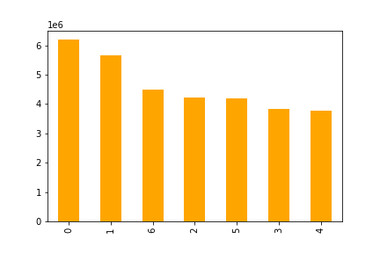

 |  | Distribution of order day of the week |  |  |  |  |  |  |  |  |  |  |  |  |  |  |  |  |  | Order hour of the day frequency
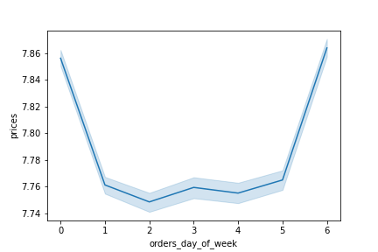
 |  |  |  |  |  |  |  |  |  | Average price spent on good for each day of the week
Number of orders

Days of the week

 | This bar chart shows the number of orders placed for each day of the week. Most orders are placed on the weekend(Saturdays, Sundays and Fridays) so, ads should be scheduled for weekdays. |  |  |  |  |  |  |  |  |  |  |  |  |  |  |  |  | This Histogram displays the number of orders hourly. It shows that most orders are between 9 am and 4 pm so, ads should be scheduled outside of this period.
 |  |  |  |  |  |  |  |  |  | The above line chart also shows that the average price spent on products is higher on the weekend.

 |  | QUESTION 2
 |  | They also want to know whether there are particular times of the day when people spend the most money, as this might inform the type of products they advertise at these times.

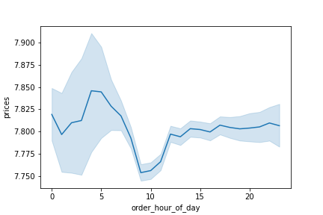

 |  | Average price of products bought for each hour of the day

 |  |  |  |  |  |  |  |  |  |  | This line chart shows the average price of products sold for each hour of the day.

 |  |  |  |  |  |  |  |  |  |  | Most expensive products are bought between 12am and 7am

 |  |  |  |  |  |  |  |  |  |  | Ads for high priced products should be created at this time

 |  | QUESTION 3
 |  | Instacart has a lot of products with different price tags. Marketing and sales want to use simpler price range groupings to help direct their efforts.


 |  |  |  |  |  |  |  |  |  |  |  | This histogram to left shows the distribution of product prices. Most products' price ranges are between 1 and 15. The pie chart below shows the distribution of products in each price range. Mid-range products are the most popular products. High-range products are the least popular products. Condition used for price range grouping If prices > 15 then label 'High-range product' If prices is <= 15 and > 5 then label 'Mid-range products' If the price is <= 5 then label it 'Low-range product'

PRICES

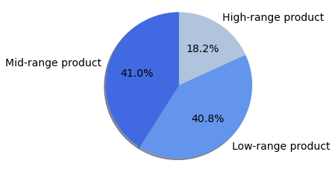

 |  | QUESTION 4
 |  | Are there certain types of products that are more popular than others? The marketing and sales teams want to know which departments have the highest frequency of product orders.

 |  |  |  |  |  | Number of products orders by department
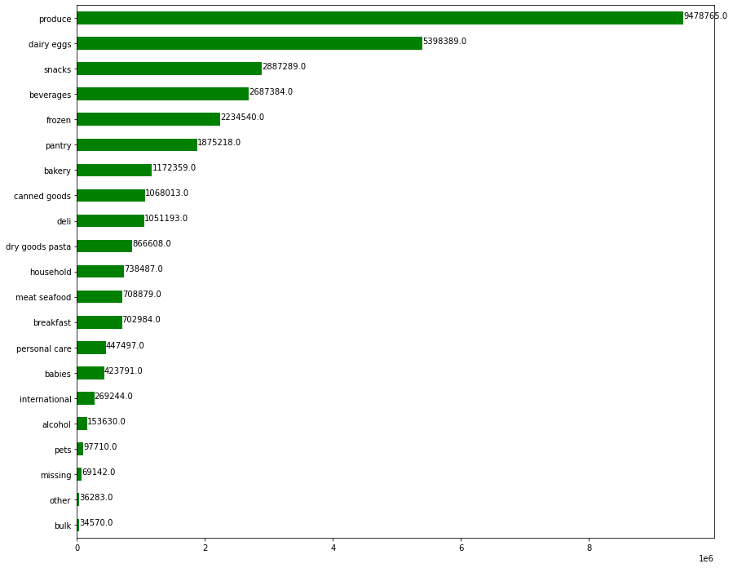

 |  | The chart above shows that the department 'produce' has the highest frequency of products orders, followed by dairy eggs, snacks, beverages, and frozen while bulk has the least

 | QUESTION 5A
 | What’s the distribution among users in regards to their brand loyalty (i.e., how often do they return to Instacart)?

 |  |  |  |  |  |  |  |  |  |  |  |  | Customers were group into 3 categories base on their orders

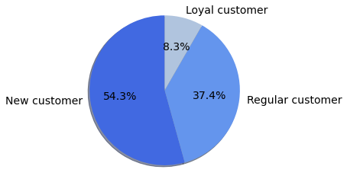
 |  |  |  |  |  |  |  |  |  |  |  |  | Regular customers |  | These are customers whose maximum orders are < 40 and > 10
 |  |  |  |  |  |  |  |  |  |  |  |  | Loyal customers |  | These are customers whose maximum orders are > 40
 |  |  |  |  |  |  |  |  |  |  |  |  | New customer |  | These are customers whose maximum orders are <= 10
 |  |  |  |  |  |  |  |  |  |  |  |  | This pie chart shows the customers' loyalty based on the number of customers. New customers have the highest of customers in terms of those who had made orders between 10 and 40 orders while Loyal customers have the lowest number of customers.

 | QUESTION 5B
 | Are there differences in ordering habits based on a customer’s loyalty status?

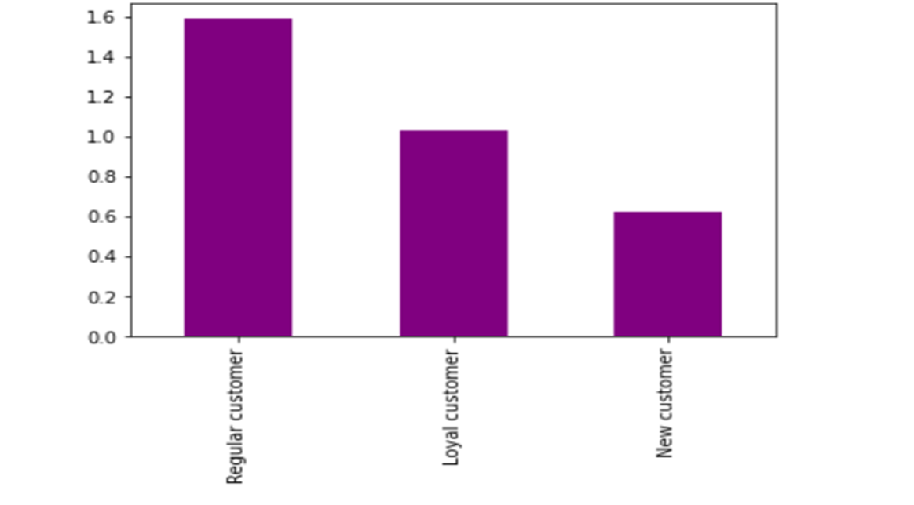
Total and Average prices spent by each Loyalty flag |  |  |  |  |  |  |  | Distribution of customers loyalty status
 | customer | prices |  |  |  |  |  |  |  |  |  |  |  | This chart shows customers' status based on their maximum order. Most orders had been placed by Regular customers. Followed by loyal customers and then New customer
 |  | sum | mean
 | loyalty_flag
 | Loyal customer | 106814042.2 | 10.38634
 | New customer | 83011787.2 | 13.29467
 | Regular customer | 198391693.2 | 12.49572

 | The above table shows the Average and Total prices spent on a product by each group of customers in the loyalty flag. Based on the average price spent, New customer has the highest, followed by Regular customer and then loyal customers. Based on the Total price, the Regular customer has spent the most, followed by the loyal customer and then the new customer.

 | QUESTION 5C
 | Are there differences in ordering habits based on a customer’s region?

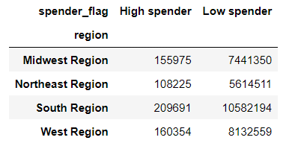
 | Number of states associated to each region |  |  |  |  |  |  |  |  | Distribution of spenders among regions
 | region | state
 | South Region | 17 |  |  |  |  |  |  |  |  |  |  |  |  |  |  |  | Regional Distribution of customer
 | West Region | 13
 | Midwest Region | 12
 | Northeast Region | 9

 | The above table shows that the South region has the most states while the Northeast region has the least states.

 |  |  |  |  |  |  |  |  |  |  | South region has the highest low and high spenders while the Northeast region has the least of both spenders. The number of states for each region also has an influence on this as shown on the left top table

 |  |  |  |  |  |  | Distributions of customers' shopping frequency among regions
Regional distribution of loyal customer
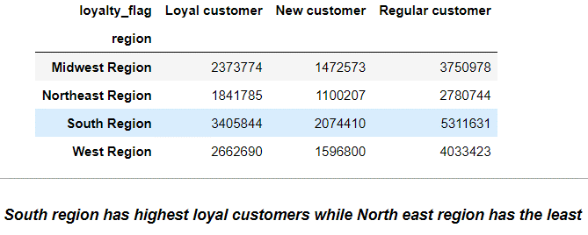

 |  |  |  |  |  |  |  |  |  |  |  |  |  |  |  |  |  | South region has highest number of customers while North east region has the least

 |  |  |  |  |  |  |  |  | South region has the most Frequent customers, Non-frequent and Regular customers. While Northeast has the least

 |  | Regional distribution of total price spent, customer count and Total number of order
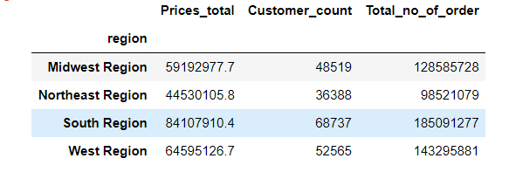
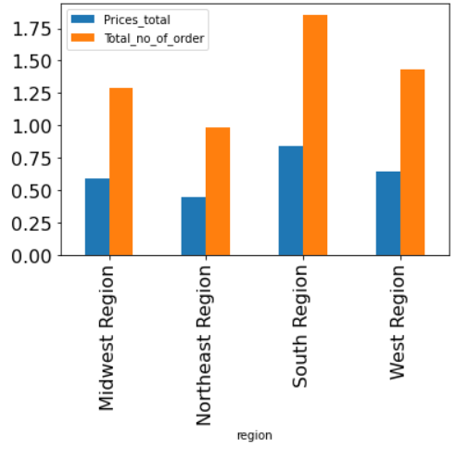

 |  |  | The South region has the highest total price spent, the highest number of customers and the highest total number of orders, while the Northeast region has the least

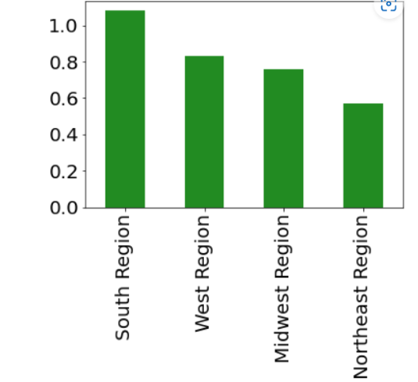

 | QUESTION 5D
 | Is there a connection between age and family status in terms of ordering habits?

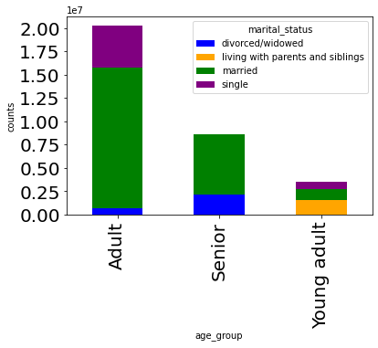

 |  |  |  |  |  |  |  |  |  | There is a connection between age and family status in terms of ordering habits. only seniors and adults have orders made by divorced/widowed. only young adults have orders made by those living with parents and siblings There is a high number of customers who are married and the older a customer, the more likely they are to be married. NO senior customers are single The connection can be beneficial in terms of reusing ads. for example, ads for adults can use to target seniors and also young adult

 | QUESTION 6
 | What different classifications does the demographic information suggest? Age? Income? Certain types of goods? Family status?

AGE

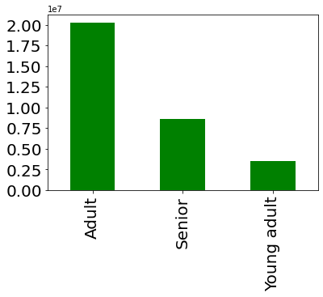
 | Age group dribution of customers |  |  |  |  |  |  |  | Proportion of age-group distribution of customers among US region
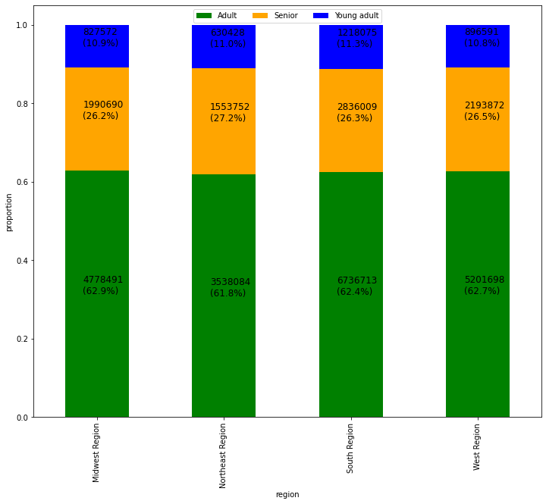

 | Customers are divided into 3 different age groups young adults are age group 18-24 Adults are age group 25 -64 seniors are age group 65+ The chart above shows that we have more adult customers who have placed orders.

 |  |  |  |  |  |  |  |  |  | The above chart shows the distribution of customers' age groups across all regions and it reveals that the different age groups of customers have behaved relatively the same for each region

INCOME
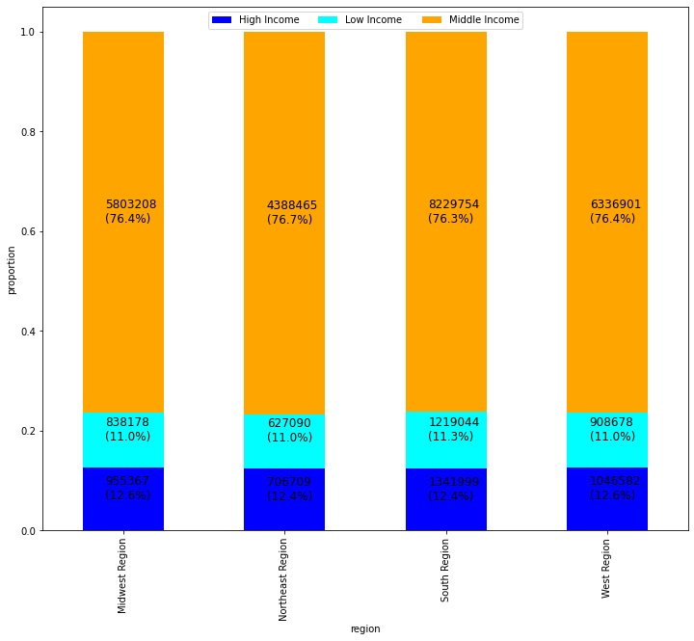

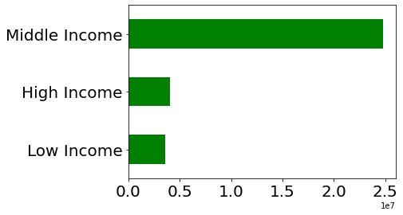
 |  | Income distribution of customer

 |  |  |  |  |  |  |  |  |  |  |  |  |  |  |  |  |  |  | This chart shows the distribution of customers' different income groups across each region. Customers of the different income groups have behaved relatively the same for each region

 |  | The above chart shows the distribution of customers who have placed orders based on their income range. Most customers are in the middle-income group (people who made >50000 and <= 150000)

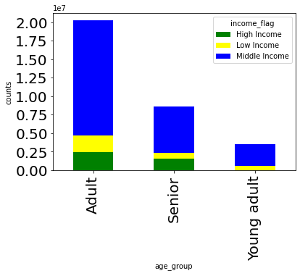

 |  |  |  |  |  |  |  |  | This chart to the left shows the age group in conjunction with their class of income No young adults are high-income earners. Most customers of instacart are middle-income earners and all age groups have the highest number of customers who are the in middle-income class.

FAMILY STATUS

 |  |  |  | Marital status distribution of customers
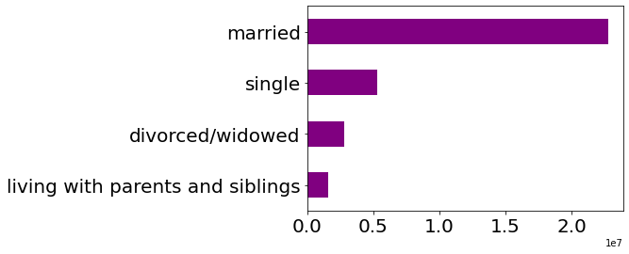

 |  |  |  |  | The above chart shows the distribution of all customers' marital status. Most orders are placed by customers who are married and the least orders are made by customers who are living with parents and siblings

 |  |  |  |  |  |  |  |  |  |  |  |  |  | only seniors and adults have orders made by divorced/widowed. only young adults have orders made by those living with parents and siblings There is a high number of customers who are married and the older a customer, the more likely they are to be married. NO senior customers are single

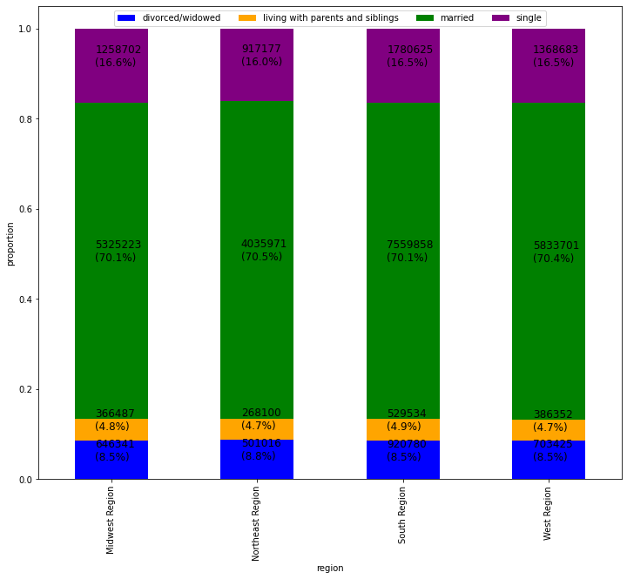

 |  |  |  |  |  |  |  |  | This chart shows the distribution of customers' family status across each region. The different family statuses of customers who had made order has behaved the same for each region

Customers with dependents and No dependent

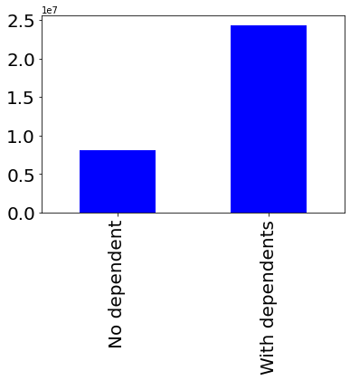
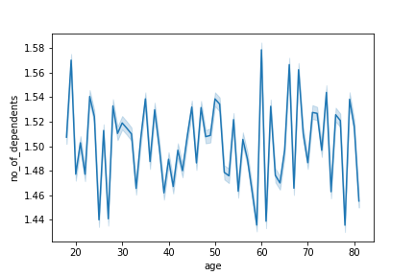
 |  |  |  |  |  |  |  |  |  |  |  |  |  |  |  | Relationship between age and no of dependents

 |  |  |  |  |  |  |  | The chart shows that the highest number of customers who made orders are with one or more dependents

 |  |  |  |  |  |  |  |  |  |  |  |  |  |  |  | According to the above chart, age doesn't determine the number of dependents. Not really clear as the number of dependents varies almost the same way for all ages

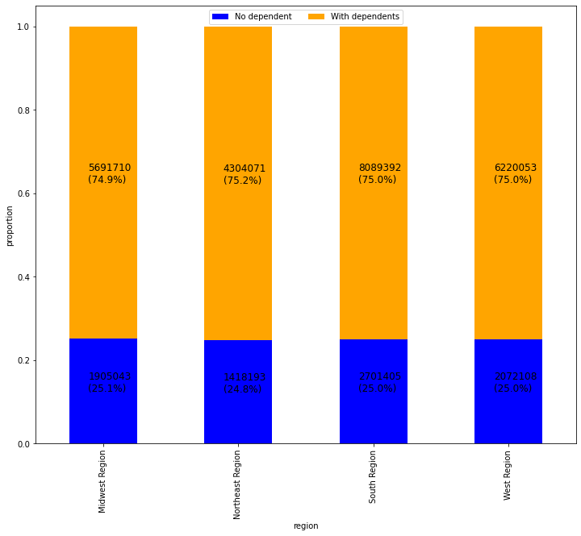

 |  |  |  |  |  |  |  |  | The distribution of customers with or no dependant has behaved similarly across each region

DEPARTMENT(INTERNATIONAL GOODS AND BABIES GOODS)

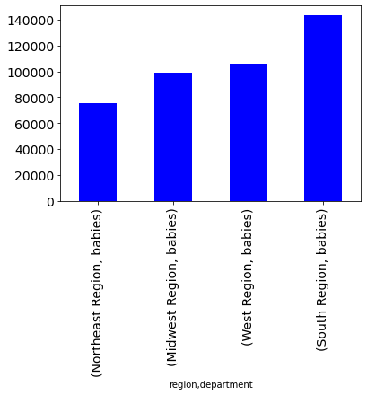
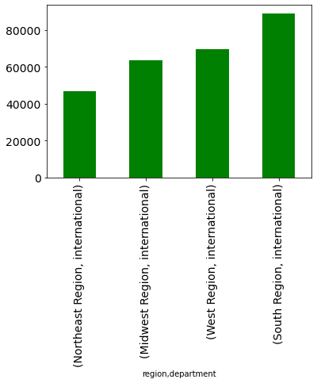
 |  | Distribution of baby producs across region |  |  |  |  |  |  |  |  | Distribution of international products across region
 |  |  |  |  |  |  |  |  |  |  |  |  |  |  |  |  |  | South region also has the most that have brought international products and Northeast have the least.

 |  | South region has the most customers that have brought baby products while the Northeast region has the least.

 | QUESTION 7
 | What differences can you find in ordering habits of different customer profiles? Consider the price of orders, the frequency of orders, the products customers are ordering, and anything else you can think of.

 | AGE GROUP

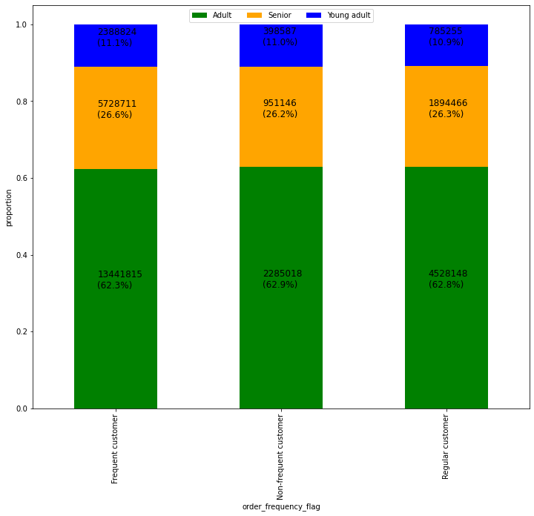
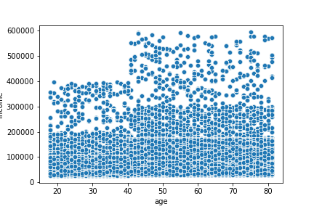
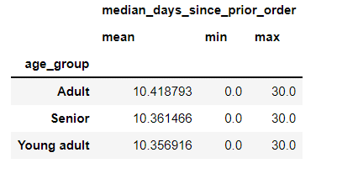
 |  |  |  |  |  |  |  |  |  |  |  |  |  |  |  | Relationship between age and spending power(income)

income

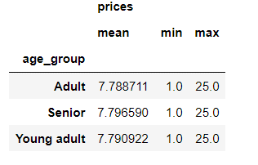

 |  |  |  |  |  |  |  |  | The average, Minimum and maximum days since prior orders of customers are the same for different age groups. The average, minimum and maximum price a customer has spent are also the same |  |  |  |  |  |  | The scatter plot above shows the relationship between customers' age and income 1. There is a larger concentration across all ages for customers' that earn up to 200,000 2. There are customers from the age group 40 and above earning up to 600,000. The older the customer the more likely it is that they earn higher 3. Customers aged 40 and above might be spending more because they have customers with higher incomes. Advertising more expensive products to older customers and cheaper products to younger customers could increase the number of orders and boost revenue.

 | The above chart shows the distribution of customers' age groups for the frequency of orders. There is little difference in the age group for each order frequency. All order frequency customers have the highest distribution of the adult group compared to the other age groups. Adults have the highest proportion of non-frequent customers. young adults have the highest proportion of frequent customers seniors have the highest proportion of frequent customers. Ads targeted at each age group could help to increase order frequency

 |  |  |  |  | The proportion of goods ordered for each department by customers of all age group

 | age_group | alcohol | babies | bakery | beverages | breakfast | bulk | canned goods | dairy eggs | deli | dry goods pasta | frozen | household | international | meat seafood | missing | other | pantry | personal care | pets | produce | snacks
 | Adult | 0% | 1% | 4% | 8% | 2% | 0% | 3% | 17% | 3% | 3% | 7% | 2% | 1% | 2% | 0% | 0% | 6% | 1% | 0% | 29% | 9%
 | Senior | 0% | 1% | 4% | 8% | 2% | 0% | 3% | 17% | 3% | 3% | 7% | 2% | 1% | 2% | 0% | 0% | 6% | 1% | 0% | 29% | 9%
 | Young adult | 1% | 1% | 4% | 8% | 2% | 0% | 3% | 17% | 3% | 3% | 7% | 2% | 1% | 2% | 0% | 0% | 6% | 1% | 0% | 29% | 9%

 |  |  |  |  | The above table shows that the proportion of goods ordered from each department is the same for all age groups except for the alcohol department. Young adults have bought more alcohol than other age groups. The values above can help with ads target. More ads can be done to focus more on the department with the high percentage of orders

INCOME

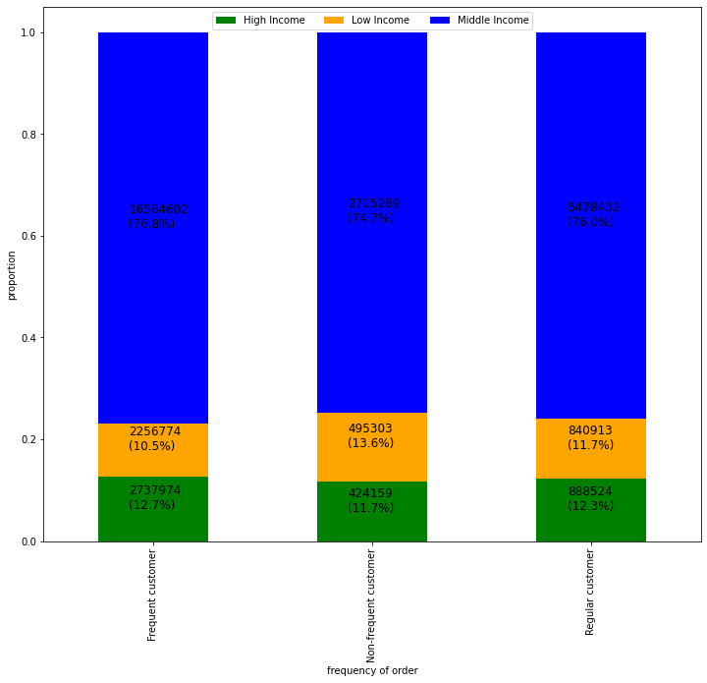
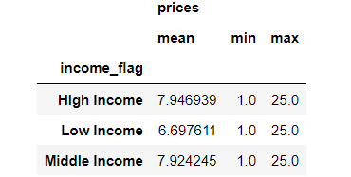

 |  |  |  |  |  |  |  |  |  |  |  |  |  |  |  | The minimum and maximum price a customer has spent is the same for all income earners and the average price spent is highest for high-income earners and lowest for low-income earners The maximum and maximum days since prior orders of customers are the same for all income earners and the average days since prior order is higher for low-income earners. More ads should be focused on high and middle-income earners as they are likely to return and spend more.

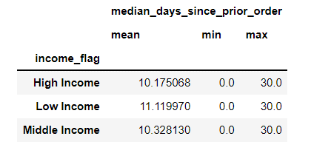

 | The above chart shows the distribution of customers' income groups for the frequency of orders. There is a slight difference in the income group for each order frequency. Frequent and regular customers have almost the same proportion of high and middle-income earners Non-frequent customers have the highest proportion of low-income earners.

 |  |  |  |  |  | The proportion of goods ordered for each department by customers' income group
 | income_flag | alcohol | babies | bakery | beverages | breakfast | bulk | canned goods | dairy eggs | deli | dry goods pasta | frozen | household | international | meat seafood | missing | other | pantry | personal care | pets | produce | snacks
 | High Income | 1% | 1% | 4% | 8% | 2% | 0% | 3% | 17% | 3% | 3% | 7% | 2% | 1% | 2% | 0% | 0% | 6% | 1% | 0% | 29% | 8%
 | Low Income | 1% | 1% | 3% | 11% | 3% | 0% | 2% | 15% | 3% | 2% | 6% | 3% | 1% | 1% | 0% | 0% | 5% | 1% | 0% | 25% | 16%
 | Middle Income | 0% | 1% | 4% | 8% | 2% | 0% | 3% | 17% | 3% | 3% | 7% | 2% | 1% | 2% | 0% | 0% | 6% | 1% | 0% | 30% | 8%

 |  |  |  | According to the table above, Low-income earners ordered more of snacks and beverages, produce and dairy eggs high and middle-income earners ordered more of produce and dairy eggs ads can be created to target income groups based on the values of orders ( This table help to shows the preference of each groups)

FAMILY STATUS

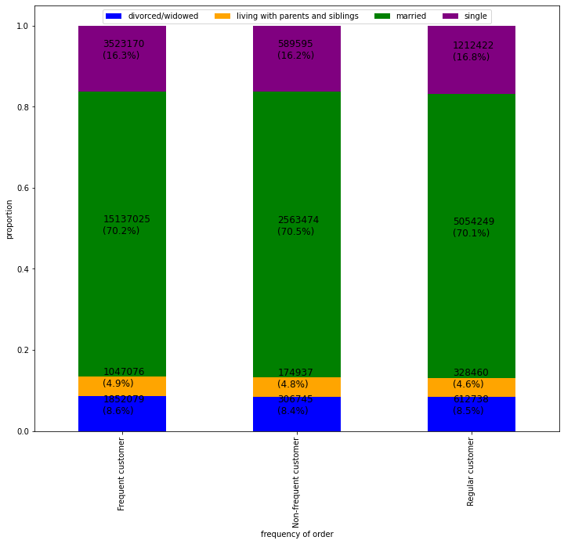
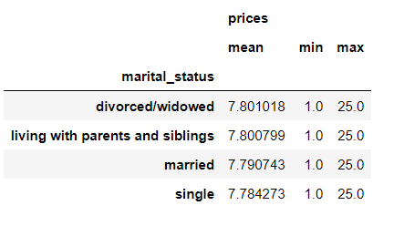

 |  |  |  |  |  |  |  |  |  |  |  |  |  |  |  | The minimum and maximum and average price a customer has spent has remained fairly the same for all customers of various status The average, maximum and maximum days since prior orders of customers have also remained fairly the same for all customers of various status

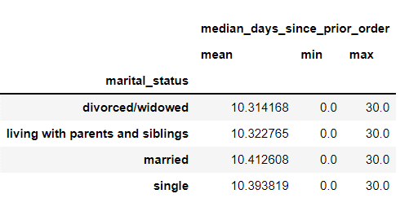

 | The chart above shows the distribution of each family status group to the frequency of customer orders. Frequent customers have the highest proportion of customers living with parents and siblings and, customers that divorced/widowed

 |  |  |  |  |  | The proportion of goods ordered for each department by customers' family status
 | marital_status | alcohol | babies | bakery | beverages | breakfast | bulk | canned goods | dairy eggs | deli | dry goods pasta | frozen | household | international | meat seafood | missing | other | pantry | personal care | pets | produce | snacks
 | divorced/widowed | 0% | 1% | 4% | 8% | 2% | 0% | 3% | 17% | 3% | 3% | 7% | 2% | 1% | 2% | 0% | 0% | 6% | 1% | 0% | 29% | 9%
 | living with parents and siblings | 1% | 1% | 4% | 8% | 2% | 0% | 3% | 17% | 3% | 3% | 7% | 2% | 1% | 2% | 0% | 0% | 6% | 1% | 0% | 29% | 9%
 | married | 0% | 1% | 4% | 8% | 2% | 0% | 3% | 17% | 3% | 3% | 7% | 2% | 1% | 2% | 0% | 0% | 6% | 1% | 0% | 29% | 9%
 | single | 0% | 1% | 4% | 8% | 2% | 0% | 3% | 17% | 3% | 3% | 7% | 2% | 1% | 2% | 0% | 0% | 6% | 1% | 0% | 29% | 9%

 |  |  |  | As shown in the table above, customers from each family status order equal proportions of goods from each department. Similar products can be advertised to these customers. Customers living with parents and siblings have ordered more alcohol than others in the family status group.

DEPENDENTS

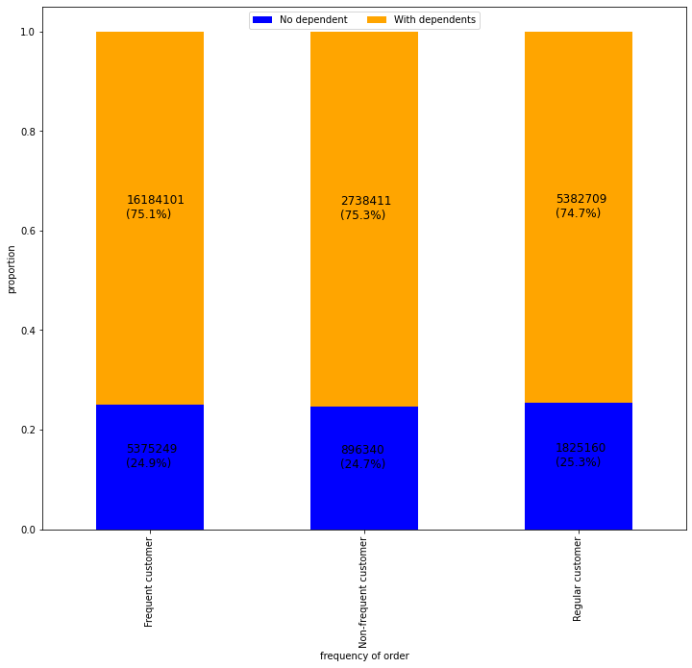
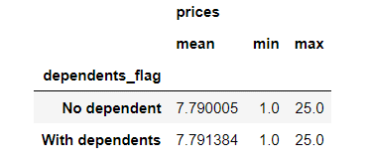

 |  |  |  |  |  |  |  |  |  |  |  |  |  |  |  | The minimum and maximum and average price a customer has spent has remained fairly the same for all customers in the dependents group The average, maximum and maximum days since prior orders of customers have also remained fairly the same for all customers in the dependent group

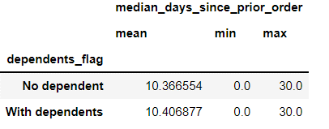

 |  | The above chart shows that regular customers have the highest proportion of customers with no dependents and the lowest proportion of customers with dependents

 |  |  |  |  |  |  | The proportion of goods ordered for each department by customers' family status
 | dependents_flag | alcohol | babies | bakery | beverages | breakfast | bulk | canned goods | dairy eggs | deli | dry goods pasta | frozen | household | international | meat seafood | missing | other | pantry | personal care | pets | produce | snacks
 | No dependent | 0% | 1% | 4% | 8% | 2% | 0% | 3% | 17% | 3% | 3% | 7% | 2% | 1% | 2% | 0% | 0% | 6% | 1% | 0% | 29% | 9%
 | With dependents | 0% | 1% | 4% | 8% | 2% | 0% | 3% | 17% | 3% | 3% | 7% | 2% | 1% | 2% | 0% | 0% | 6% | 1% | 0% | 29% | 9%

 |  |  | As shown in the table above, customers from each dependent group order equal proportions of goods from each department. Similar products can be advertised to these customers.

DEPARTMENT

 |  | Customers who have bought babies goods |  |  |  |  |  |  |  |  | Customers who have bought international goods
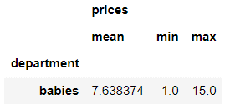
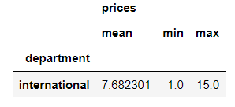

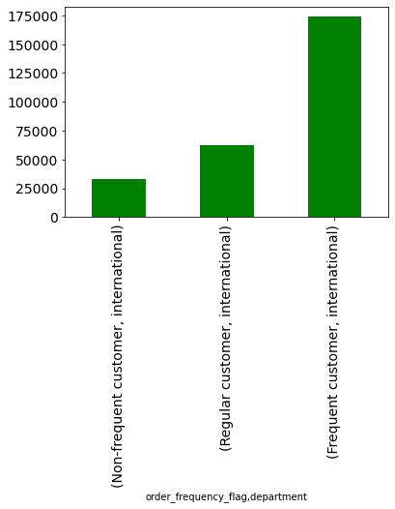
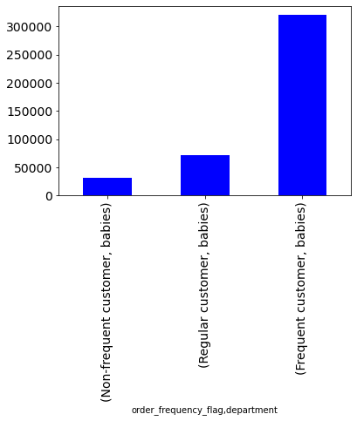

 |  |  |  |  |  |  |  |  |  |  |  |  |  |  |  |  | Frequent customers have bought more babies and international good Ad for this department can target this group

7. Recommendations
Recommendations

 | Key Question 1:- The sales team needs to know what the busiest days of the week and hours of the day are (i.e., the days and times with the most orders) in order to schedule ads at times when there are fewer orders.
Answer:- Most orders are placed on the weekend(Saturdays, Sundays and Fridays) so, ads should be scheduled for weekdays. Most orders are between 9 am and 4 pm so, ads should be scheduled outside of this period.

 | Regularly busy 12916111 - Monday, Thursday and Friday Two busiest days 11864412 - Saturday and Sunday Two slowest days 7624336 - Tuesday and Wednesday Name: Busiest_days, dtype: int64 HOW BUSY IT IS BY DAY 0 6204182 1 5660230 6 4496490 2 4213830 5 4205791 3 3840534 4 3783802 Name: orders_day_of_week, dtype: int64 |  |  |  |  | How busy it is by hour 0 2761760 11 2736140 14 2689136 15 2662144 13 2660954 12 2618532 16 2535202 9 2454203 17 2087654 8 1718118 18 1636502 19 1258305 20 976156 7 891054 21 795637 22 634225 23 402316 6 290493 10 218769 1 115700 5 87961 2 69375 4 53242 3 51281 Name: order_hour_of_day, dtype: int64 |  |  | The busiest periods of the day are grouped into 3 groups Total (0,9,11,12,13,14,15 & 16 hour of day)-Most orders 21118071 (7,8,17,18,19,20,21 & 22 hour of day)-Average orders 9997651 (1,2,3,4,5,6,10 & 23 hour of day)-Fewest orders 1289137 Name: Busiest_period_of_day, dtype: int64

 | Key Question 2:- They also want to know whether there are particular times of the day when people spend the most money, as this might inform the type of products they advertise at these times.
 | Answer:- Most expensive products are bought between 12 am and 7 am Ads for high-priced products should be created at this time

 | Key Question 3:- Instacart has a lot of products with different price tags. Marketing and sales want to use simpler price range groupings to help direct their efforts.
 | Answer:-Most products' prices of the order made range between 1 and 15. Mid-range products account for 41% of orders, Low range products account for 40.8% of orders and High-range product account for 18.2 % of orders. The same ad can be used for mid-range and low-range products as their prices are between 1 and 15 and account for most orders made. A different ad can be made for the high-range product as this can help the sales and marketing team to further analyze it and improve its sales.
 |  |  |  | Condition used for price range grouping If prices > 15 then label 'High-range product' If prices is <= 15 and > 5 then label 'Mid-range products' If the price is <= 5 then label it 'Low-range product'

 | Key Question 4:- Are there certain types of products that are more popular than others? The marketing and sales teams want to know which departments have the highest frequency of product orders.
 | Answers: The department 'produce' has the highest frequency of product orders, followed by dairy eggs, snacks, beverages, and frozen. The recommendation is for marketing and sales teams should continue to focus on these high-selling products and analyze how to further increase sales for the least-selling department like bulk, pets, international etc.

 | Key Question 5a:- What’s the distribution among users in regards to their brand loyalty (i.e., how often do they return to Instacart)?
 | Answer:- The majority of instacart customers are New customers followed by Regular customers and lastly loyal customers Sales and marketing should make ads to target more new and regular customers to increase sales and revenue

 |  |  |  | These are customers whose maximum orders are < 40 and > 10 |  |  |  | Percentage of customers in each loyalty group
 |  |  |  | These are customers whose maximum orders are > 40
 |  |  |  | These are customers whose maximum orders are <= 10

 | Key Question 5b:- Are there differences in ordering habits based on a customer’s loyalty status?
 | Answer: Regular customers have made the highest orders and spent the most on orders while New customers have made and spent the least. The recommendation would be to send notifications to New and loyal customers to encourage them to continue to order. Also, ads should be tailored to what products these groups order most as this might increase their order frequency for these loyalty groups.
Minimum, maximum, total and average prices of products ordered based on customers' group |  |  |  |  |  |  | Maximum order made by each loyalty group
 | customer | prices |  |  |  |  | Regular customer 15876776
 |  | min | max | sum | mean |  | Loyal customer 10284093
 | loyalty_flag |  |  |  |  |  | New customer 6243990
 | Loyal customer | 1 | 99999 | 106814042.2 | 10.386336 |  | Name: loyalty_flag, dtype: int64
 | New customer | 1 | 99999 | 83011787.2 | 13.29467
 | Regular customer | 1 | 99999 | 198391693.2 | 12.495717

 | Key question 5c:- Are there differences in ordering habits based on a customer’s region?
 | Answer:- The population size varies for each region and this influences the number of customers and orders for these regions. Ads should be created to target the customer base of all regions as all-region has the potential to increase customers' numbers and orders based on their population size.

 | Key question 5d:- Is there a connection between age and family status in terms of ordering habits?
Answer:- There is a connection between age and family status in terms of ordering habits. -only seniors and adults have orders made by divorced/widowed. -only young adults have orders made by those living with parents and siblings -There is a high number of customers who are married and the older a customer, the more likely they are to be married. -NO senior customers are single -The connection can be beneficial in terms of reusing ads. Ads for adults can be used to target seniors and also young adult

 | Key question 6:-What different classifications does the demographic information suggest? Age? Income? Certain types of goods? Family status?
 | Answer: All age groups of customers, customers' income groups and family status have behaved similarly for each region. -Continue to create ads for the adult age group and try and analyze and improve ads for young and seniors across all regions. -ads for expensive products should be targeted toward high-income earners of all regions and they belong to the seniors and adult age group. less expensive product ads should be focused on low-income and middle-income earners for all regions. -Continue to focus ads on married customers and analyze ads that target customers that are single, living with parents and siblings, and customers who are divorced and widowed. South regions have the highest customer who had brought babies and international products. create ads for baby and international products to target more of south regions.

 | Key question 7:- What differences can you find in ordering habits of different customer profiles? Consider the price of orders, the frequency of orders, the products customers are ordering, and anything else you can think of.
 | Answer: Ads should be created to target different customers based on the group they fall into and the type of goods purchase history that group has. This might likely help a new customer who falls in the same group purchase similar products. Also creating new ads based on customers' order history could encourage customers to make more purchases and become more frequent. International and baby products should be advertised to only customers who have bought and New customers who have similar profile groups to old customers, since these are relatively specific items and the share of customers who bought them is relatively small. Ads should be increased for all low-performing departments as these might help increase sales and orders

